10. Send Report
Project: |  | Version | 0.1 | Sprint | 2
Team: |  | Reviewed by
Document: | Sitemap | Approved by

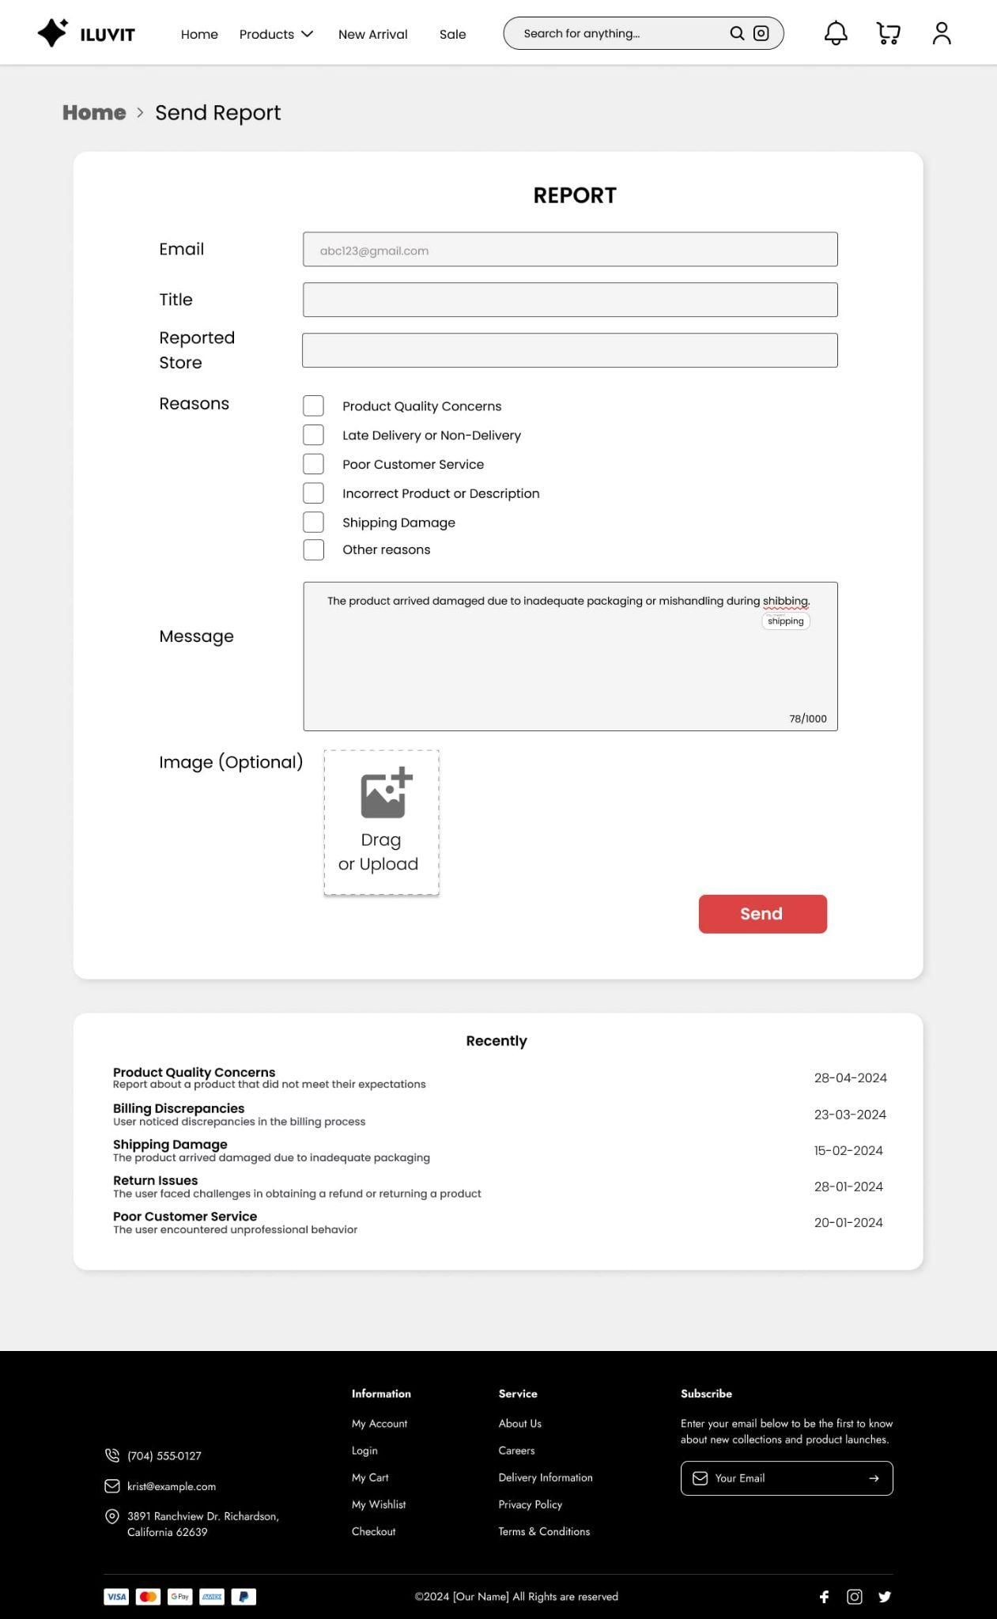
 |  |  | Go to Homepage

 |  | Enter your email

 |  | Enter the title of report

 |  | Enter the name of store or paste link store

 |  | Choose reasons for report

 |  |  |  |  |  | click "Send" to send report
 |  |  | Drag or upload photos

19. Manage Order
 | Project: |  | Version | 0.1 | Sprint | 2
 | Team: |  | Reviewed by
 | Document: | Sitemap | Approved by

 |  |  |  |  |  |  | Click Phone icon to log out seller account

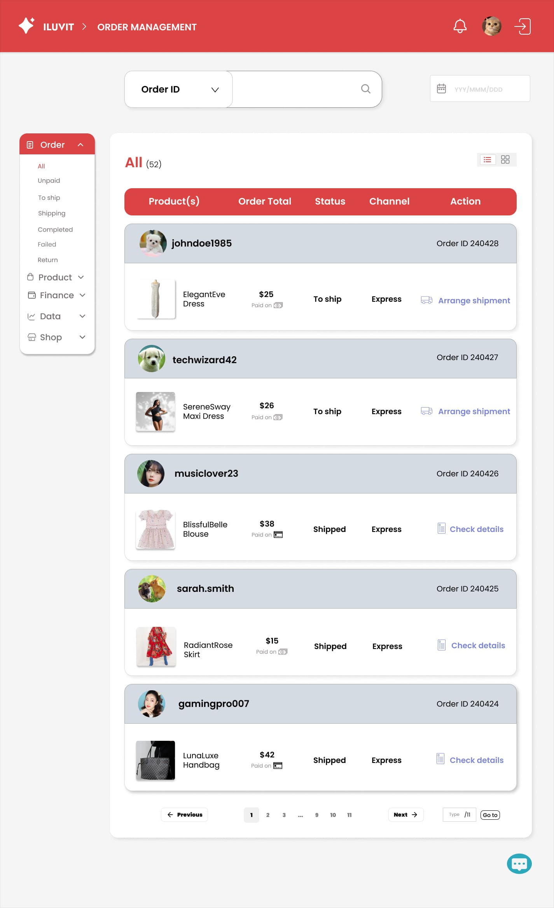
 |  |  |  |  |  |  | Click the icon calendar to choose date
 |  | Click search icon to find the OrderID of product
 |  |  |  |  |  |  | Click the text to enter date by keyboard

 |  |  |  |  |  |  | Click the square to change the interface to a box format

 | Click All to redirect to the page with all products

Click Unpaid to redirect to the page with unpaid products

Click To ship to redirect to the page with products preparing to ship

Click Shipping to redirect to the page with shipping products

Click Completed to redirect to the page with completed products

Click Failed to redirect to the page with failed products

Click Return to redirect to the page with returned products

 |  |  |  |  |  |  |  |  | Chat icon to chat with buyer

 |  |  |  |  |  |  |  | Enter a number to redirect to that page number

31. Ban List
Project: |  | Version | 0.1 | Sprint | 2
Team: |  | Reviewed by
Document: | Sitemap | Approved by

 |  |  |  | Click here to see role all
 |  |  |  |  |  | Click to delete user management
 |  | Search for use management |  |  | Click here to see banned anytime

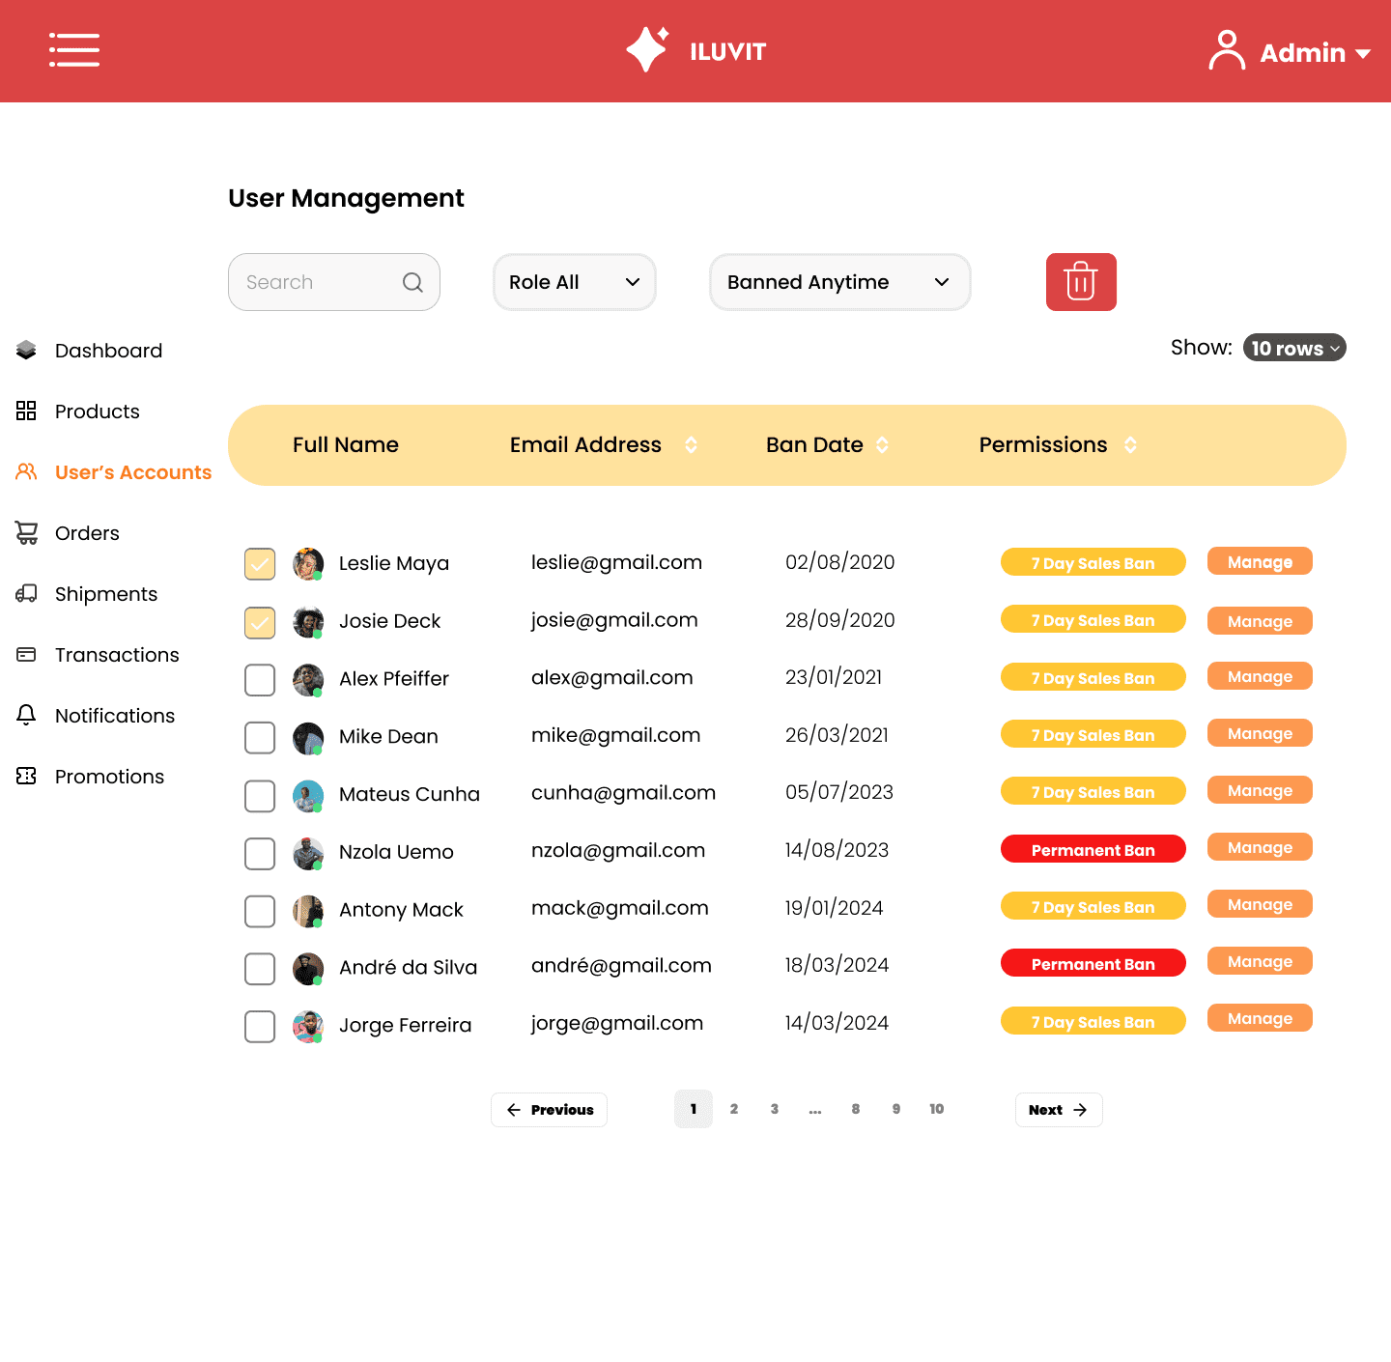

 |  |  |  |  |  |  | Click to show 10 rows

 |  |  |  |  |  |  |  | Click to manage

35. View Reports
Project: |  | Version | 0.1 | Sprint | 2
Team: |  | Reviewed by
Document: | Sitemap | Approved by

 |  |  |  |  |  | Download reports

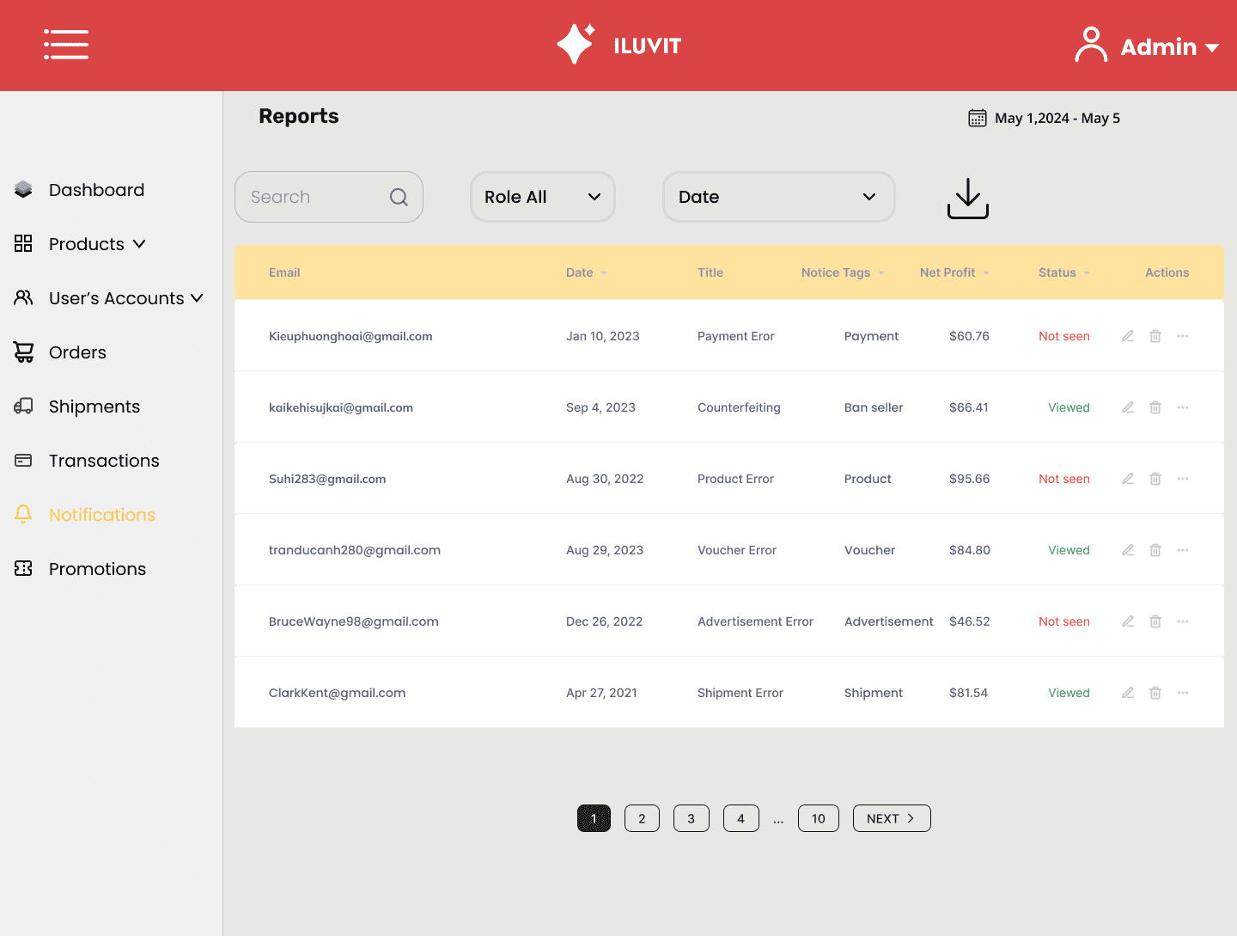

 |  |  |  |  |  | Admin can see details reports

 |  |  |  |  |  |  | Click Next to next to the next page

36. Create Promotion
Project: |  | Version | 0.1 | Sprint | 2
Team: |  | Reviewed by
Document: | Sitemap | Approved by

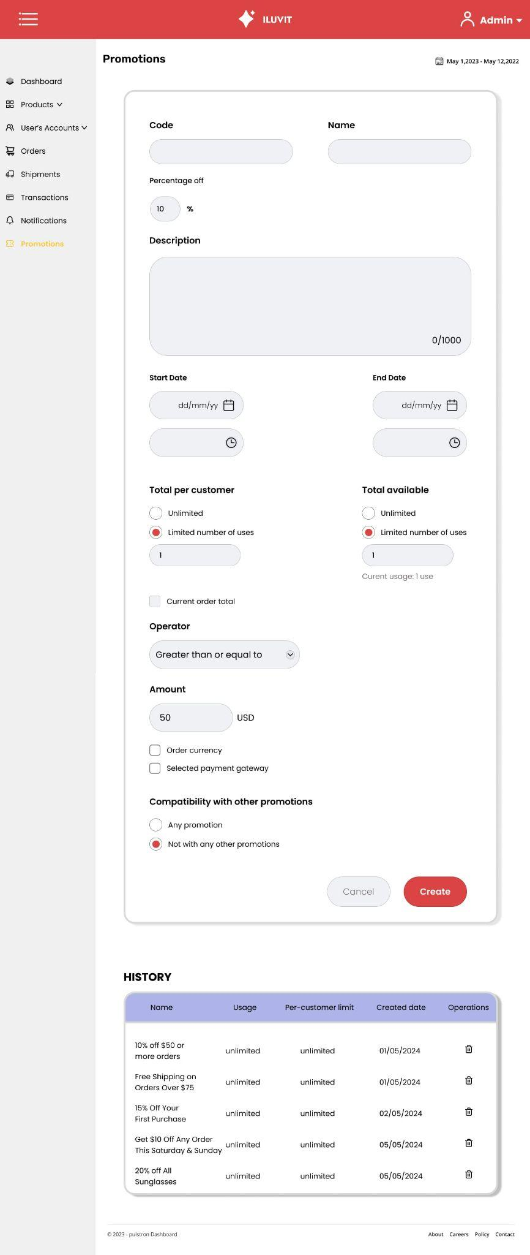

 |  |  |  |  |  | Enter the name of promotion

 |  | Enter the code of promotion

 |  | Enter the percentage off of promotion

 |  | Enter the description of promotion

 |  |  |  |  |  |  | When click on calendar icon, user can choose the end date

 | When click on calendar icon, user can choose the start date

 |  |  |  |  |  | Choose 1 of 2 options to allow how many buyers can use it

 | Select 1 of 2 options to allow users to use this voucher how many times

 | Check the checkbox to display current order total

 | Check the box to see if this voucher can be combined with another voucher

 |  |  |  |  |  | Click Create button to create promotion

 | History of creating promotion

